ASSINMENT 2
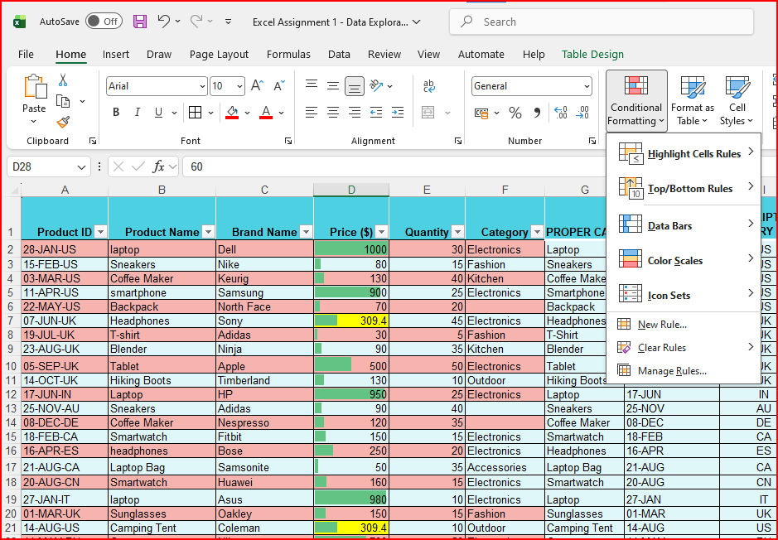
Product ID | Product Name | Brand Name | Price ($) | Quantity | Category | PROPER CASE | DATE | SLIPT COUNTRY CODE | NUMS TO CURRENCY | 1) Handling Missing Values:
28-JAN-US | laptop | Dell | 1000 | 30 | Electronics | Laptop | 28-Jan-26 | US | $1,000.00 | Q1 | • Check for missing values in the 'Price' column. How would you handle products with missing price information?
15-FEB-US | Sneakers | Nike | 80 | 15 | Fashion | Sneakers | 15-Feb-26 | US | $80.00
03-MAR-US | Coffee Maker | Keurig | 130 | 40 | Kitchen | Coffee Maker | 5-Mar-26 | US | $130.00 | ANS | 0 |  | BLANKS
11-APR-US | smartphone | Samsung | 900 | 25 | Electronics | Smartphone | 23-Mar-26 | US | $900.00
22-MAY-US | Backpack | North Face | 70 | 20 |  | Backpack | 10-Apr-26 | US | $70.00
07-JUN-UK | Headphones | Sony | 309.4 | 45 | Electronics | Headphones | 28-Apr-26 | UK | $309.40 |  | 298.97419355 |  | AVARAGE
19-JUL-UK | T-shirt | Adidas | 30 | 5 | Fashion | T-Shirt | 16-May-26 | UK | $30.00
23-AUG-UK | Blender | Ninja | 90 | 35 | Kitchen | Blender | 3-Jun-26 | UK | $90.00
05-SEP-UK | Tablet | Apple | 500 | 50 | Electronics | Tablet | 21-Jun-26 | UK | $500.00 | Q2 | • If there are products with missing categories, propose a strategy to impute or deal with these missing values effectively.
14-OCT-UK | Hiking Boots | Timberland | 130 | 10 | Outdoor | Hiking Boots | 9-Jul-26 | UK | $130.00
17-JUN-IN | Laptop | HP | 950 | 25 | Electronics | Laptop | 27-Jul-26 | IN | $950.00
25-NOV-AU | Sneakers | Adidas | 90 | 40 | Fashion | Sneakers | 14-Aug-26 | AU | $90.00 | ANS | 1
08-DEC-DE | Coffee Maker | Nespresso | 120 | 35 | Electronics | Coffee Maker | 1-Sep-26 | DE | $120.00
18-FEB-CA | Smartwatch | Fitbit | 150 | 15 | Electronics | Smartwatch | 19-Sep-26 | CA | $150.00
16-APR-ES | headphones | Bose | 250 | 20 | Electronics | Headphones | 7-Oct-26 | ES | $250.00
21-AUG-CA | Laptop Bag | Samsonite | 50 | 35 | Accessories | Laptop Bag | 25-Oct-26 | CA | $50.00 | 2) Correcting Inconsistent Data:
20-AUG-CN | Smartwatch | Huawei | 160 | 15 | Electronics | Smartwatch | 12-Nov-26 | CN | $160.00
27-JAN-IT | laptop | Asus | 980 | 10 | Electronics | Laptop | 30-Nov-26 | IT | $980.00 | Q1 | • Identify any inconsistent text formats present in the "Product Name" column.
01-MAR-UK | Sunglasses | Oakley | 150 | 15 | Fashion | Sunglasses | 18-Dec-26 | UK | $150.00
14-AUG-US | Camping Tent | Coleman | 309.4 | 10 | Outdoor | Camping Tent | 5-Jan-27 | US | $309.40
14-MAY-RU | Camera | Nikon | 700 | 50 | Electronics | Camera | 23-Jan-27 | RU | $700.00
09-JAN-CA | Microwave | Panasonic | 80 | 20 | Kitchen | Microwave | 10-Feb-27 | CA | $80.00
19-JUL-BR | Fitness Tracker | Xiaomi | 150 | 30 | Fashion | Fitness Tracker | 28-Feb-27 | BR | $150.00 | ANS | PROPER - G COLOMNS
29-SEP-CA | Smartphone | Google | 800 | 45 | Electronics | Smartphone | 18-Mar-27 | CA | $800.00
03-JUN-CA | Sunglasses | Ray-Ban | 309.4 | 25 | Fashion | Sunglasses | 5-Apr-27 | CA | $309.40
11-JUL-CA | Blender | Vitamix | 400 | 40 | Kitchen | Blender | 23-Apr-27 | CA | $400.00 | Q2 | • Identify any typos present in the "Category" column.
07-MAR-CA | Dress | Zara | 60 | 30 | Fashion | Dress | 11-May-27 | CA | $60.00
13-APR-CA | Toaster | Hamilton | 40 | 10 | Kitchen | Toaster | 29-May-27 | CA | $40.00 | ANS
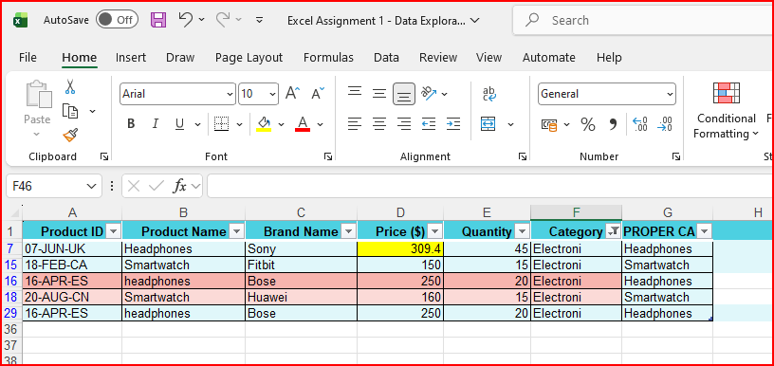
24-MAY-CA | Fitness Tracker | Garmin | 130 | 5 | Electronics | Fitness Tracker | 16-Jun-27 | CA | $130.00
02-DEC-CA | Jeans | Levi's | 50 | 50 | Fashion | Jeans | 4-Jul-27 | CA | $50.00
09-JUL-FR | Watch | Casio | 100 | 20 | Accessories | Watch | 22-Jul-27 | FR | $100.00

3) Removing Duplicates:
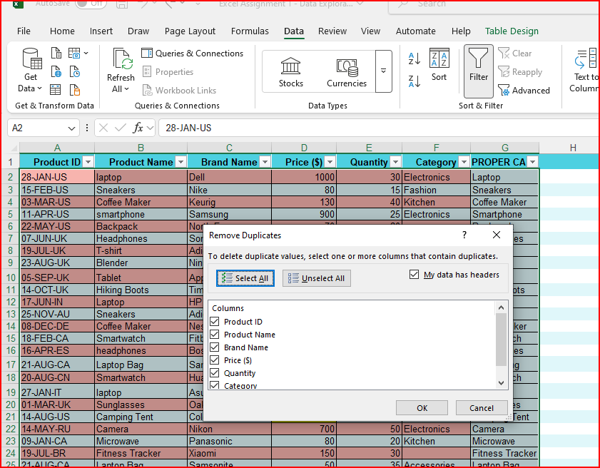

 | I have got a 3 duplicats remove this 3 duplicates

 | 4) Splitting and Merging Data:

 | Q1 | • Split the "Product ID" column into two separate columns for " Manufacturing Date" and "Country Code". Remove unnecessary characters, if any.

 | ANS
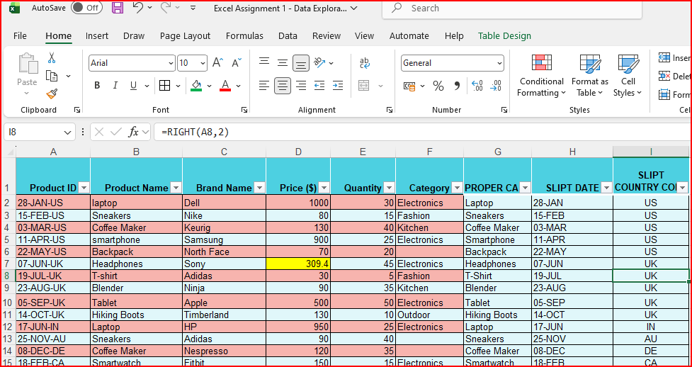

 |  |  |  |  |  |  |  |  |  |  |  | FORMULAS

 |  |  |  |  |  |  |  |  |  |  | $=RIGHT(A2,2)

 |  |  |  |  |  |  | $=LEFT(A2,FIND("-",A2,FIND("-",A2)+1)-1

 |  |  |  |  |  |  |  | FORMULA

5) Number Formatting:

Q1 | • Format the data type of the "Price" column to currency format.

ANS
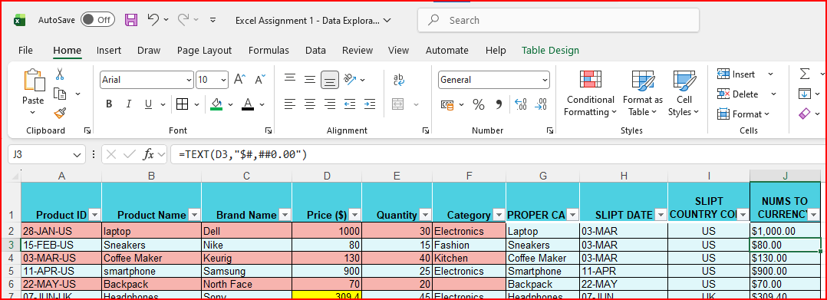

 |  |  |  |  |  |  | $=TEXT(D2,"$#,##0.00")

Q2 | • Format the "Manufacturing Date" column to display dates in the "DD-MM-YYYY " format.

ANS | COLOMN H

 | 6) Conditional Formatting:

Q1 | • Apply data bar or color scales conditional formatting in the "Price" column.

ANS

